TestSummary
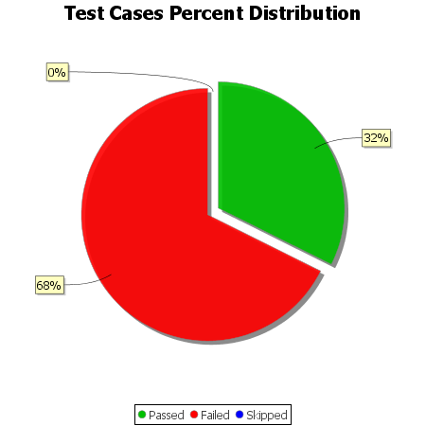
Total Test Cases | 34
Test Cases Passed | 11
Test Cases Failed | 23
Test Cases Skipped | 0

